Driver App
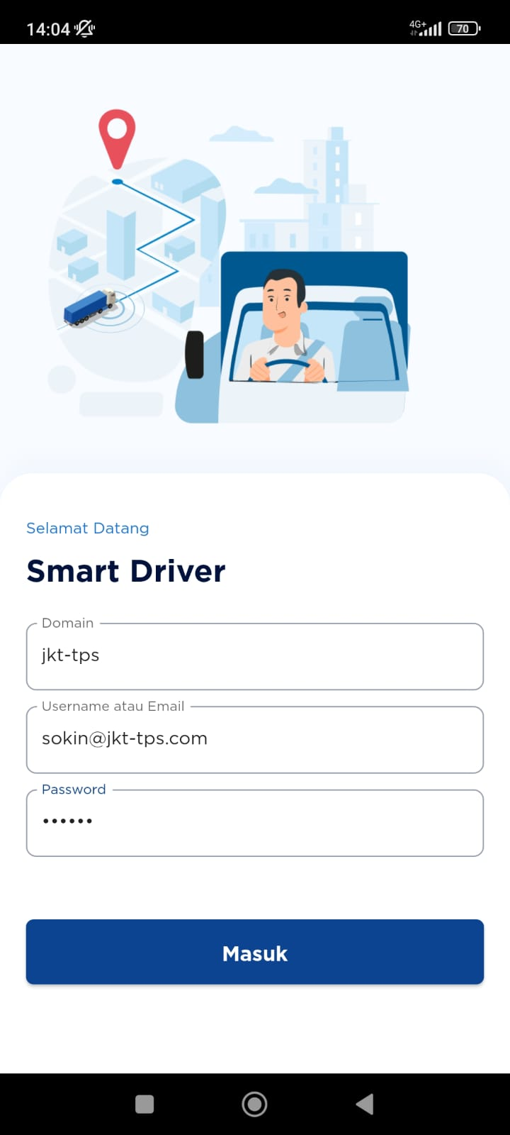
Nama Karyawan | Domain | User Login | Password
TOI | jkt-tps | toi@jkt-tps.com | 123456 | Download App Playstore
BARID SAEPUDIN | jkt-tps | baridsaepudin@jkt-tps.com | 123456 | https://play.google.com/store/apps/details?id=com.mceasy.tms_driver_app
SOPIAN (UJANG) | jkt-tps | sopian(ujang)@jkt-tps.com | 123456
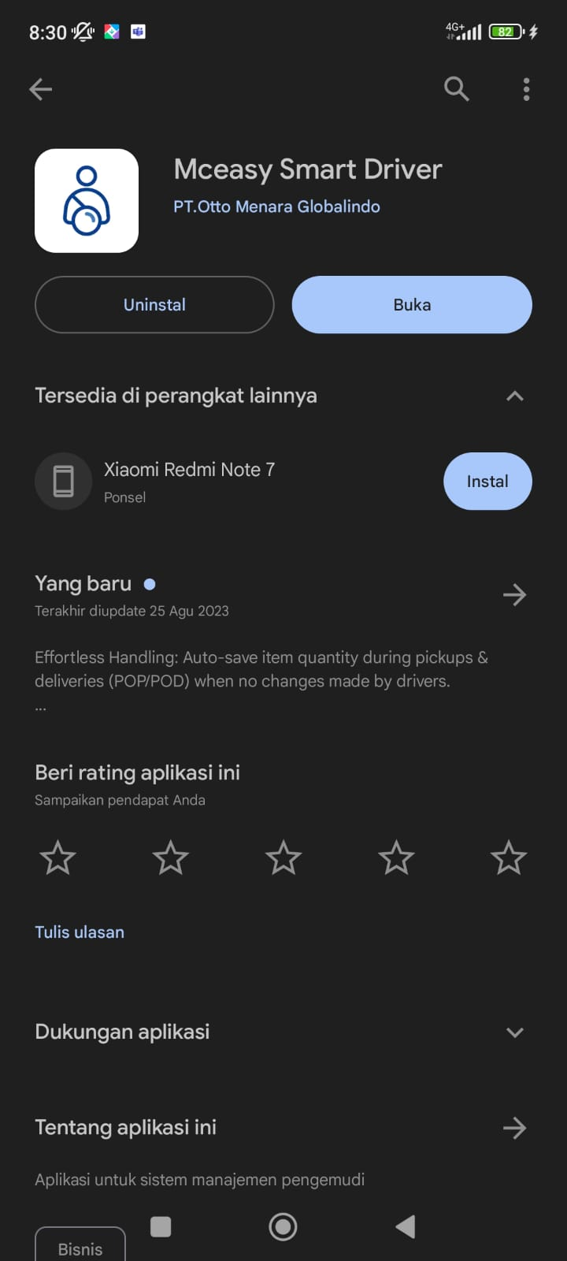
NONO SUHARNO BIN DASANA | jkt-tps | nonosuharnobindasana@jkt-tps.com | 123456
MUHAMMAD MIFTAHUDIN | jkt-tps | muhammadmiftahudin@jkt-tps.com | 123456
WARJU | jkt-tps | warju@jkt-tps.com | 123456
SAMSURI | jkt-tps | samsuri@jkt-tps.com | 123456
WAWAN | jkt-tps | wawan@jkt-tps.com | 123456
SANDI BARASI | jkt-tps | sandibarasi@jkt-tps.com | 123456
DARUN | jkt-tps | darun@jkt-tps.com | 123456
RUSDIKA | jkt-tps | rusdika@jkt-tps.com | 123456
AGUS SUPANDI | jkt-tps | agussupandi@jkt-tps.com | 123456
SUSANTO | jkt-tps | susanto@jkt-tps.com | 123456
KARYA ANDAYANA | jkt-tps | karyaandayana@jkt-tps.com | 123456
TAUFIK HIDAYAT | jkt-tps | taufikhidayat@jkt-tps.com | 123456
DEDI HERMAWAN | jkt-tps | dedihermawan@jkt-tps.com | 123456
HIDAYATULOH | jkt-tps | hidayatuloh@jkt-tps.com | 123456
CECE CAHLIA | jkt-tps | cececahlia@jkt-tps.com | 123456
ADON BIN ICING | jkt-tps | adonbinicing@jkt-tps.com | 123456
ADE SUNARDI | jkt-tps | adesunardi@jkt-tps.com | 123456
MAMAN ABDUL RAHMAN | jkt-tps | mamanabdulrahman@jkt-tps.com | 123456
DANI JUANDA | jkt-tps | danijuanda@jkt-tps.com | 123456
WARNATA | jkt-tps | warnata@jkt-tps.com | 123456
SAIFUL ANWAR | jkt-tps | saifulanwar@jkt-tps.com | 123456
ASMUN | jkt-tps | asmun@jkt-tps.com | 123456
ADI MULIA | jkt-tps | adimulia@jkt-tps.com | 123456
SUKOYO | jkt-tps | sukoyo@jkt-tps.com | 123456
WAHYUDIN | jkt-tps | wahyudin@jkt-tps.com | 123456
TONI | jkt-tps | toni@jkt-tps.com | 123456
IWAN SAEPULOH | jkt-tps | iwansaepuloh@jkt-tps.com | 123456
DAMANHURI | jkt-tps | damanhuri@jkt-tps.com | 123456
M. TEGUH SAPUTRA | jkt-tps | m.teguhsaputra@jkt-tps.com | 123456
RIHARJO | jkt-tps | riharjo@jkt-tps.com | 123456
RENDI ANDANDA PUTRA | jkt-tps | rendiandandaputra@jkt-tps.com | 123456
SORIMAN | jkt-tps | soriman@jkt-tps.com | 123456
YUDI SAPUTRA | jkt-tps | yudisaputra@jkt-tps.com | 123456
ADE CECEP | jkt-tps | adececep@jkt-tps.com | 123456
TARPUNI | jkt-tps | tarpuni@jkt-tps.com | 123456
SOKIN | jkt-tps | sokin@jkt-tps.com | 123456
ASEP SUKRA | jkt-tps | asepsukra@jkt-tps.com | 123456

Login Driver App

